Assignment 1
ASSIGNMENT1: | Display output as follows. Use Inner Join | Display EmployeeID, Employee FirstName and Number Of Orders each employee has placed.
 |  | Use Table : Employees and Orders
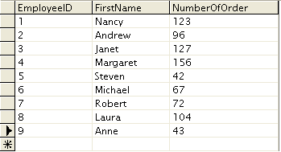

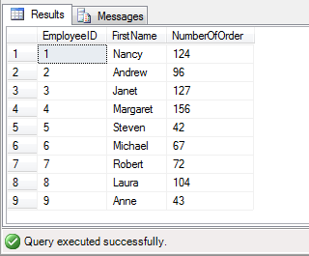
Query: | SELECT Employees.EmployeeID,Employees.FirstName,COUNT(Employees.EmployeeID) AS NumberOfOrder FROM Employees
 | INNER JOIN Orders ON Employees.EmployeeID = Orders.EmployeeID GROUP BY Employees.EmployeeID,Employees.FirstName;
Output:

Assignment 2
ASSIGNMENT 2: | Get all the Orders shipped by Speedy Express and customers at berlin city. | User Table : Orders, Customers, Shippers

Query: | SELECT OrderID,Ord.CustomerID,EmployeeID,CONVERT(VARCHAR,OrderDate, 103) AS OrderDate,CONVERT(VARCHAR,RequiredDate, 103) AS RequiredDate,CONVERT(VARCHAR,ShippedDate, 103) AS ShippedDate,ShipVia,Freight,ShipName,ShipAddress,ShipCity
 | FROM Orders Ord INNER JOIN Customers Cus ON
 | Ord.CustomerID=Cus.CustomerID INNER JOIN
 | Shippers sh ON sh.ShipperID=Ord.ShipVia
 | WHERE sh.CompanyName='Speedy Express' AND Cus.City='Berlin' ;
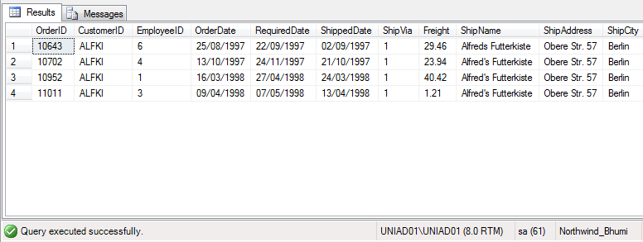
Output:

Assignment 3
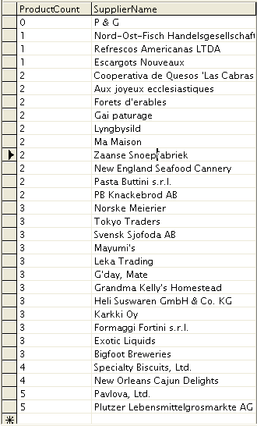
ASSIGNMENT 3: | Get Supplier name and display count of product for which supplier is responsible.
 | Table Use : Products, Supplier
 | Use Left Outer Join

Query: | SELECT COUNT(Products.SupplierID) AS ProductCount,Suppliers.CompanyName AS SupplierName
 | FROM Products LEFT OUTER JOIN Suppliers ON Products.SupplierID=Suppliers.SupplierID
 | Group BY Products.SupplierID,Suppliers.CompanyName;

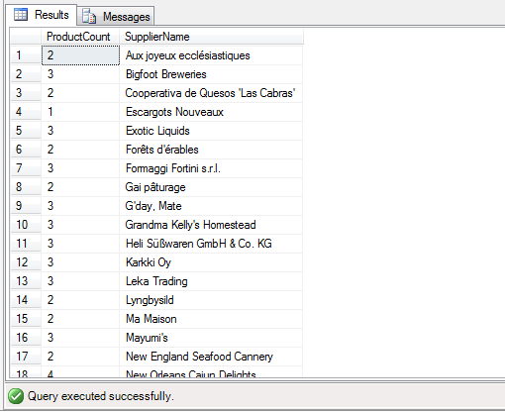
Output:

Assignment 4
ASSIGNMENT 4: | Retrieve a list of employees and Name of the person that employee is reporting.
 | Display as follows.
 | Use Table : Employees
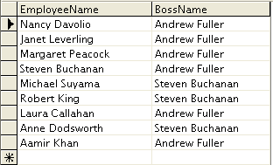
 | Self Join

Query: | SELECT e1.FirstName + e1.LastName AS EmployeeName,e2.FirstName + e2.LastName As BossName
 | FROM Employees e1,Employees e2
 | WHERE e1.ReportsTo=e2.EmployeeID;

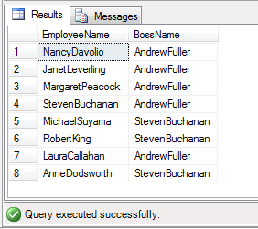
Output:

